Sheet1
PIONEER SERVICES

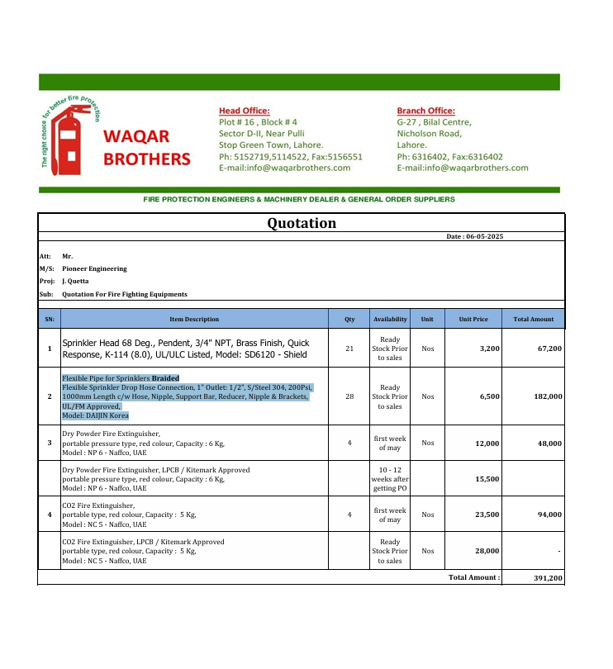


 |  |  |  | Date: | 14-May-25
 |  |  |  | PO # | 127

M/S Waqar Brothers

Att: Mr. Salman

PURCHASE ORDER

Supply of Extinghuishers for the project (J outlet Quetta Pakistan)
S No. | D e s c r i p t i o n | Qty | Unit | Rate | Amount
1 | Dry powder extinghuishers Kitemark approval portable pressure type capacity 6 kg NAFFCO UAE | 2 | Nos | 15,500 | 31,000
2 | CO2 Fire Extingiiosher Kite mark approval portable type capacity 5 kg NAFFCO UAE | 2 | Nos | 28,000 | 56,000
 |  | TOTAL: |  |  | 87,000

Supply of Extinghuishers for the project (J outlet Fortress Mall Lahore Pakistan)
S No. | D e s c r i p t i o n | Qty | Unit | Rate | Amount
1 | Sprinkler Head 68 Deg., Pendent, 3/4" NPT, Brass Finish, Quick Response, K-114 (8.0), UL/ULC Listed, Model: SD6120 - Shield | 21 | Nos | 3,200 | 67,200
2 | Flexible Pipe for Sprinklers Braided Flexible Sprinkler Drop Hose Connection, 1" Outlet: 1/2", S/Steel 304, 200Psi, 1000mm Length c/w Hose, Nipple, Support Bar, Reducer, Nipple & Brackets, UL/FM Approved, Model: DAIJIN Korea | 8 | Nos | 6,400 | 51,200
3 | Dry powder extinghuishers Kitemark approval portable pressure type capacity 6 kg NAFFCO UAE | 2 | Nos | 15,500 | 31,000
4 | CO2 Fire Extingiiosher Kite mark approval portable type capacity 5 kg NAFFCO UAE | 2 | Nos | 28,000 | 56,000
 |  | TOTAL: |  |  | 205,400

for PIONEER SERVICES

